Press MIFC
PRESS PART NEW MIFC:

Dev/ Receiving
Warehouse
Rack
Press Machine
Plasma cutting
Handwork
Logistic Weld
Welding line

PC database
Information
flow

Kanban
Plan
Tei Tei kanban
plan
Andon weld in
 | all process

13
12
Empty dolly
 | what ?
 | progress??
14 dolly
Stock before hand
Stock after hand
V1,V2,V5,V6.1,V6.2,V7
I1,I1,I2,I2,I4 150 150
F4
A1,A2
Line side stock
Import Dev.
Warehouse
Press Machine
Handwork
Weld line

W1

Stock
1 dolly = 5 Units
Empty dolly
Sorting & check
V1,2: Lot 5 (sidemain)
V3,4,5: Lot 10
V8: Lot 10
V6: Lot 10
V7: Lot 20
BMPV: Lot 5

Waiting
Part flow
Local Receive
Plasma cutting

Lot 100
I3 + F3
I5 + F5

Stock
Lot 50

V33
Lot 50
Lot 10

Weld Nut

Sorting
V31,2
W2
Lot 70

Empty dolly

Sorting
Weld Nut
I+F 3,4,5: Lot 10
I+F 1,2: Lot 5 (sidemain)

V81,2

Lot 150

PRESS SHOP
ROOF SIDE INER & V33

ROOF SIDE INER & V33
PANEL FLOOR (V,I,F)

PANEL FLOOR (V,I,F)
SIDE MAIN OUTER

SIDE MAIN OUTER
PANEL FENDER (V)

PANEL FENDER (V)

IN HOUSE ROOF (V)

IN HOUSE ROOF (V)

2. Layout All
PRESS & LOGISTICS WELDING LAYOUT (INSTRUCTION SYSTEM)

W-OBS

Shell body

1
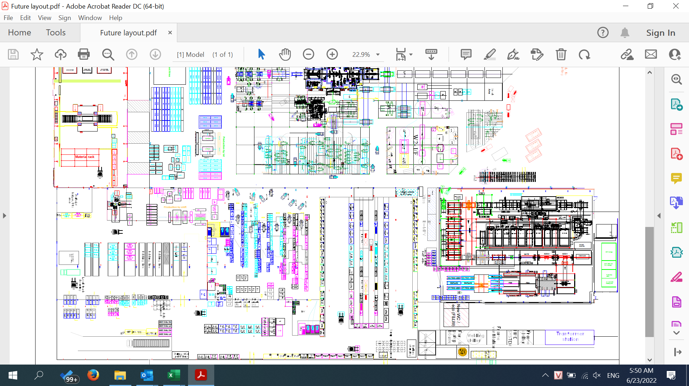
W1- Avanza line
Main body

Press shop

W2 - IMV line

W1- Vios line

6

Avanza SPS zone

2
Module WH
Vios - SPS zone
IMV - SPS zone
Fitting part Picking zone
Unpacking area

Unpacking area
3

Module Warehouse

4

Module Warehouse

Devanning area
5

